Charts1
Create Line Chart with Proper formatting
Should be formatted as shown in picture

Revenue'000
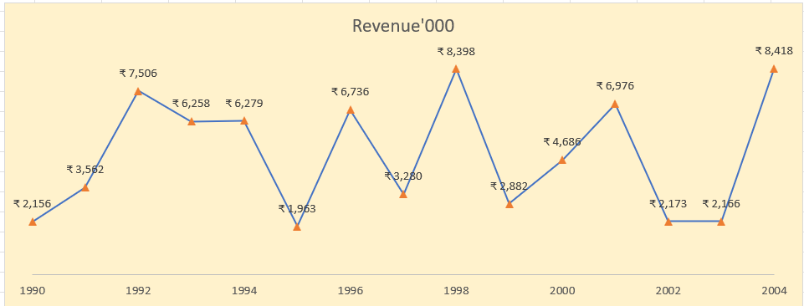
Date | Revenue'000
1990 | ₹ 2,156
1991 | ₹ 3,562
1992 | ₹ 7,506
1993 | ₹ 6,258
1994 | ₹ 6,279
1995 | ₹ 1,963
1996 | ₹ 6,736
1997 | ₹ 3,280
1998 | ₹ 8,398
1999 | ₹ 2,882
2000 | ₹ 4,686
2001 | ₹ 6,976
2002 | ₹ 2,173
2003 | ₹ 2,166
2004 | ₹ 8,418

Charts2
Create Combo Chart with Proper formatting
Should be formatted as shown in picture
 | Revenue'000 |  | %
2005 | $528 | 2005
2006 | $4,550 | 2006 | 7%
2007 | $8,189 | 2007 | 17%
2008 | $1,730 | 2008 | 19%
2009 | $5,262 | 2009 | 26%
2010 | $2,172 | 2010 | 29%
2011 | $4,384 | 2011 | 35%
2012 | $8,709 | 2012 | 46%
2013 | $3,618 | 2013 | 51%
2014 | $6,372 | 2014 | 59%
2015 | $3,456 | 2015 | 63%
2016 | $7,478 | 2016 | 73%
2017 | $4,649 | 2017 | 79%
2018 | $5,831 | 2018 | 86%
2019 | $1,599 | 2019 | 89%
2020 | $3,695 | 2020 | 93%
2021 | $1,678 | 2021 | 95%
2022 | $3,490 | 2022 | 100%
5078
13267
14997
20259
22431
26815
35524
39142
45514
48970
56448
61097
66928
68527
72222
73900
77390
0.065615712624
0.17143041737
0.19378472671
0.26177800749
0.28984364905
0.34649179481
0.45902571392
0.50577594004
0.58811215919
0.63276909161
0.72939656286
0.78946892363
0.86481457553
...
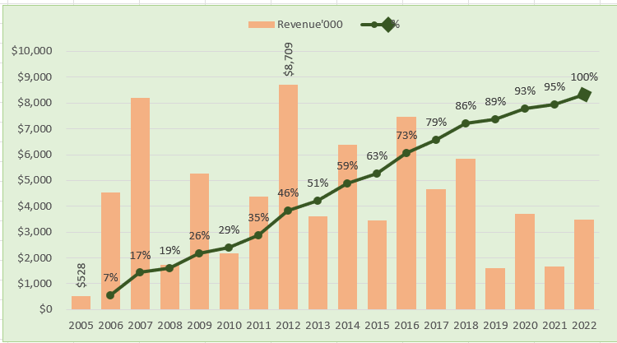
Date | Revenue'000 | Running Total | % | Min/Max
2005 | $528 |  |  | $528
2006 | $4,550 | 5,078.00 | 7%
2007 | $8,189 | 13,267.00 | 17%
2008 | $1,730 | 14,997.00 | 19%
2009 | $5,262 | 20,259.00 | 26%
2010 | $2,172 | 22,431.00 | 29%
2011 | $4,384 | 26,815.00 | 35%
2012 | $8,709 | 35,524.00 | 46% | $8,709
2013 | $3,618 | 39,142.00 | 51%
2014 | $6,372 | 45,514.00 | 59%
2015 | $3,456 | 48,970.00 | 63%
2016 | $7,478 | 56,448.00 | 73%
2017 | $4,649 | 61,097.00 | 79%
2018 | $5,831 | 66,928.00 | 86%
2019 | $1,599 | 68,527.00 | 89%
2020 | $3,695 | 72,222.00 | 93%
2021 | $1,678 | 73,900.00 | 95%
2022 | $3,490 | 77,390.00 | 100%

Total | $77,390

3
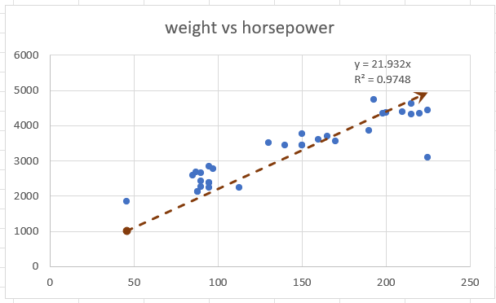
Create Scatter Chart with Proper formatting
Should be formatted as shown in picture
X | Y
weight vs horsepower
horsepower | weight | (X-XBAR) | (Y-YBAR)
130 | 3504
165 | 3693
150 | 3436
150 | 3433
140 | 3449
198 | 4341
220 | 4354
215 | 4312
225 | 4425
190 | 3850
170 | 3563
160 | 3609
150 | 3761
225 | 3086
95 | 2372
95 | 2833
97 | 2774
85 | 2587
88 | 2130
46 | 1835
87 | 2672
90 | 2430
95 | 2375
113 | 2234
90 | 2648
215 | 4615
200 | 4376
210 | 4382
193 | 4732
88 | 2130
90 | 2264
95 | 2228

